2. UX Persona
2. UX Persona
Here is an example of a UX persona for Airbnb's primary segment.

Manu, 30-year-old photographer in a couple
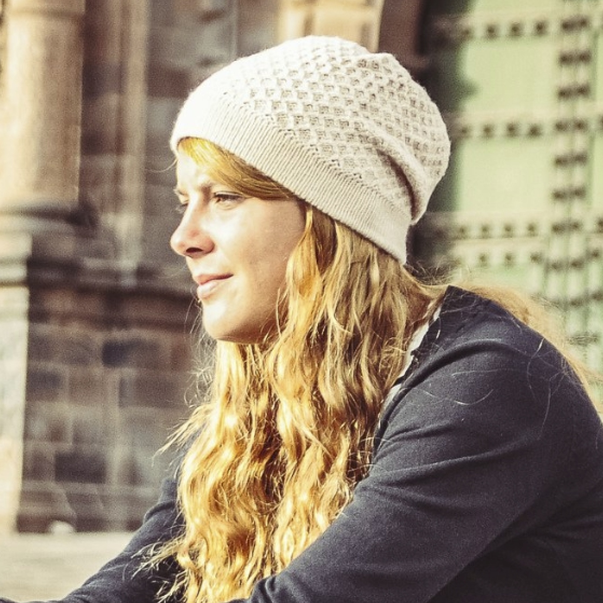
 | 1. Basic Info
 | Name | Manuelle
 | Nickname | Manu
 | Age | 32
 | Nationality | French
 | Lives in | Paris
 | Job | Professional photographer
 | Relationship status | Married, in couple for 10 years
 | Income | Reasonable

 | 2. Detailed goals
 | She wants to sleep in unique places
 | She wants to avoid touristic areas
 | She wants to share great moments with locals
 | She wants to avoid "fake airbnb" run by professionals

 | 3. Typical behaviors
 | She books a place maximum 3 weeks in advance
 | She does not care about price filter
 | She does not care about finding the “best deal”
 | She uses the map to look for authentic areas and avoid tourist districts
 | When she knows the district, she chooses several results based on rating and pictures
 | She generally opens 5 or 6 choices in different tabs
 | For each choice, she spends time looking at full screen pictures to "feel the atmosphere"
 | She is looking for authentic details in the comments (e.g. balcony with plants 🌵🌱 and a view)

